CM_Sweep
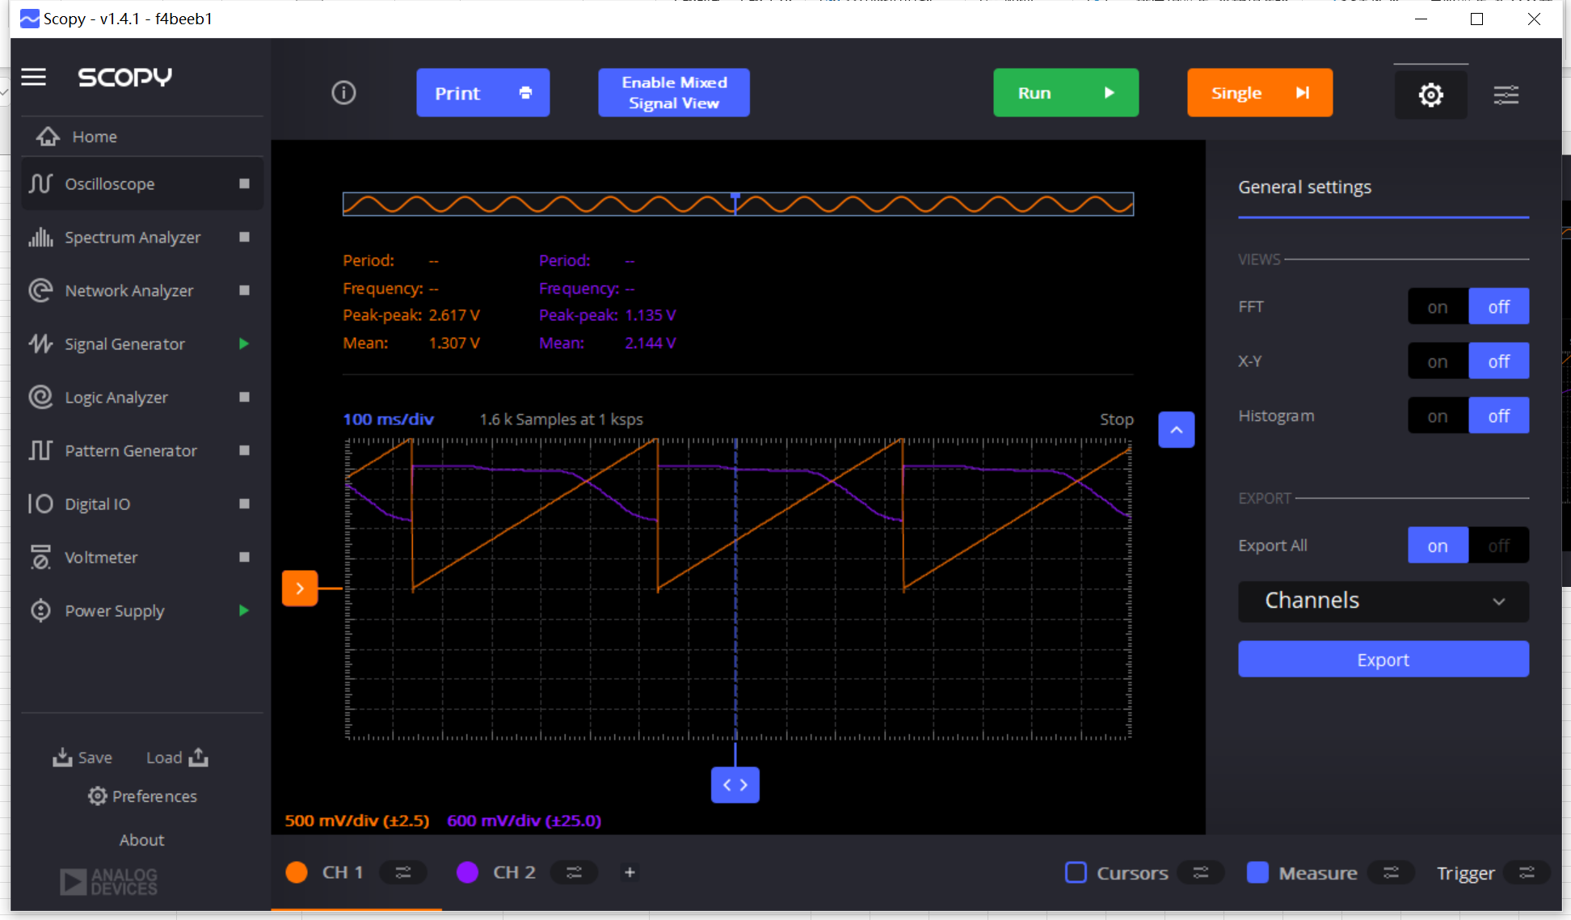
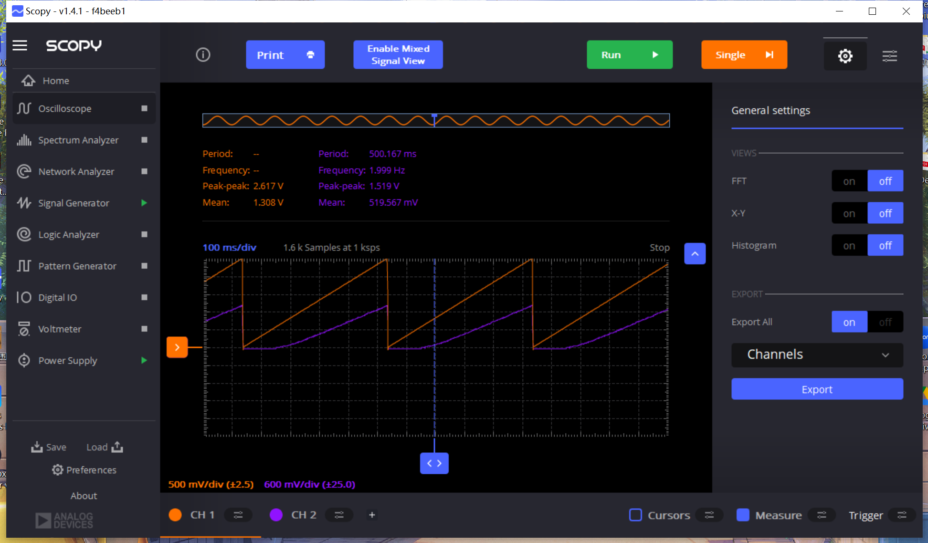
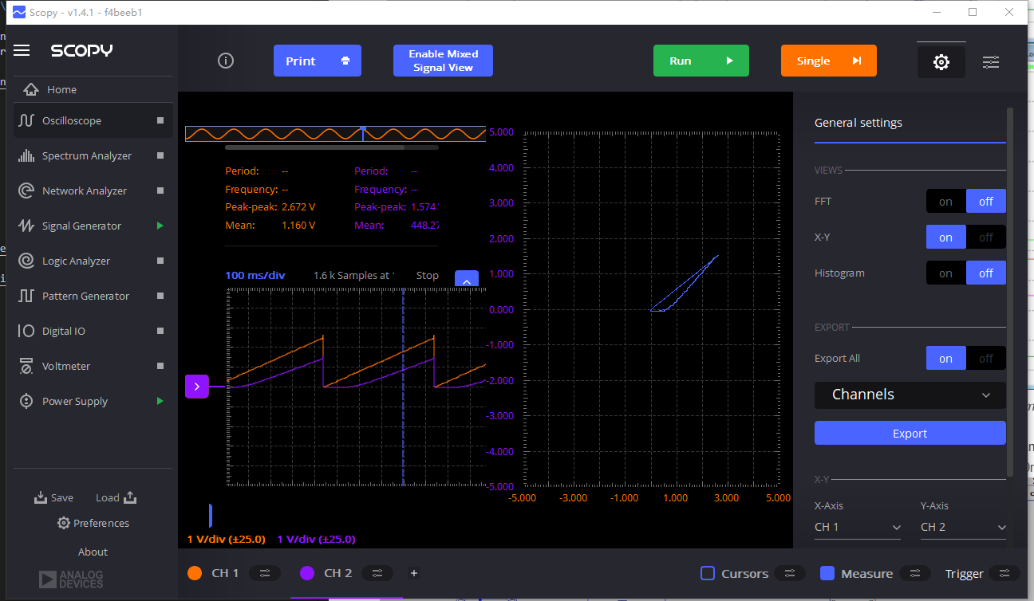
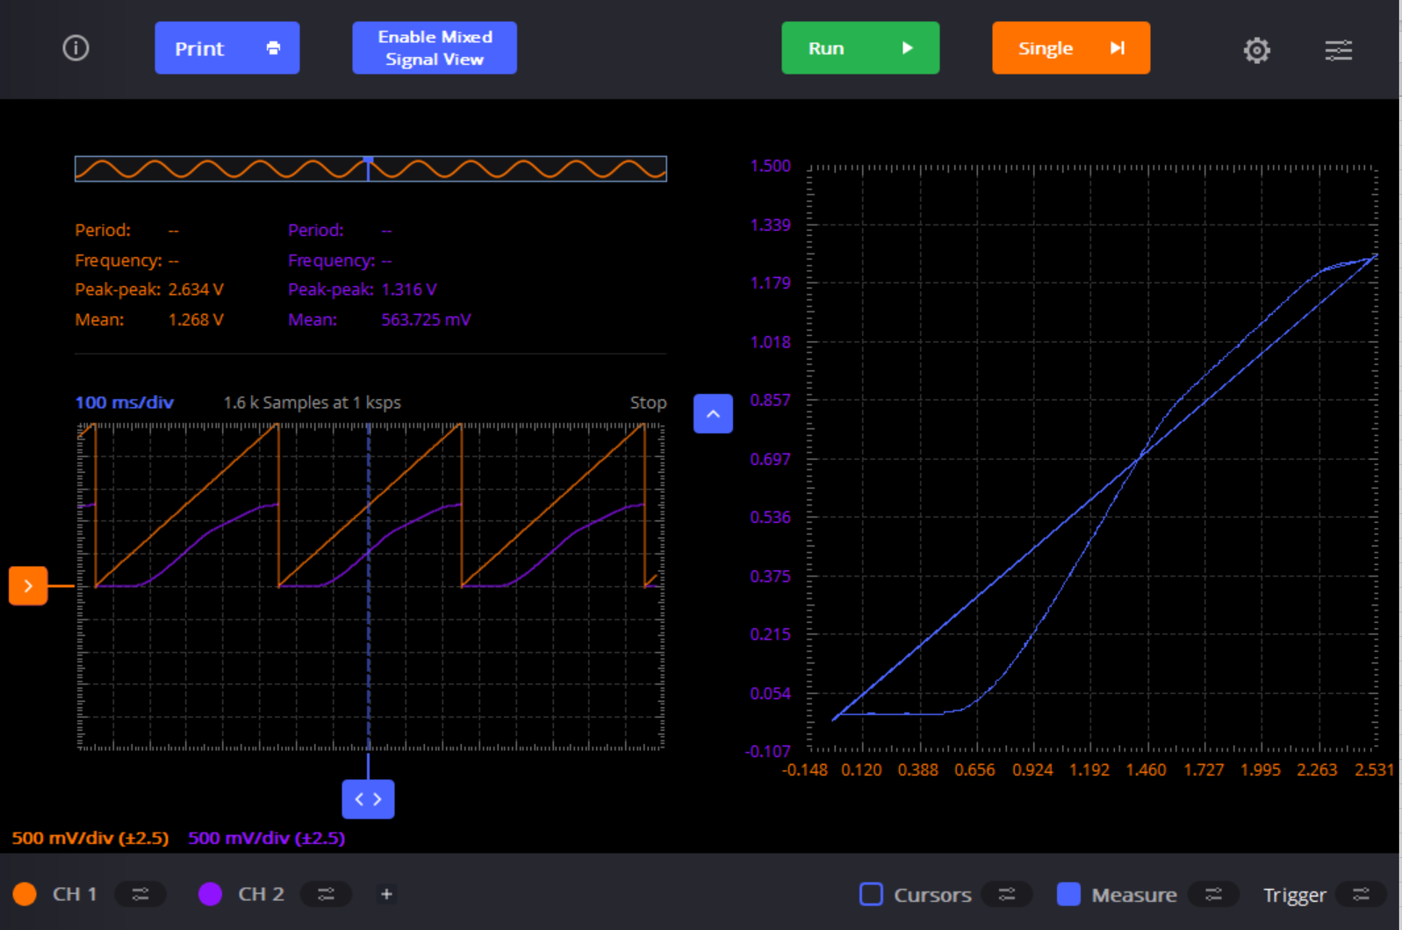
Load Resistor /Ohm | VCOM (V) | Vcmsrc (V) | VCM (V) | Voutp (V) | Voutp-Voutn (V) | Vin-Vth (Gain=1)
4700 | 0.309515 | 0 | 0.104331 | 2.4341 | 0 | 0
IBIAS Measured @ Pin19 /uA | 0.502528 | 0 | 0.307777 | 2.4341 | 0 | 0
200 | 0.606859 | 0 | 0.509483 | 2.4341 | 0 | 0
VGS=VDS @Pin 19 /V | 0.702496 | 0.0549044 | 0.521655 | 2.41579 | 0 | 0
0.96 | 0.799871 | 0.119981 | 0.582515 | 2.39749 | 0 | 0.099871
DC Gain (Source Follower) | 0.902464 | 0.164713 | 0.671196 | 2.34259 | 0 | 0.202464
1 | 1.00332 | 0.219618 | 0.80161 | 2.23278 | 0 | 0.30332
DC Gain (Drain/Output) | 1.10417 | 0.311125 | 0.905941 | 2.14127 | 0 | 0.40417
0 | 1.20676 | 0.384331 | 1.00158 | 2.10467 | 0 | 0.50676
 | 1.30066 | 0.475838 | 1.10591 | 2.06807 | 0 | 0.60066
 | 1.40499 | 0.567346 | 1.30066 | 2.04976 | 0 | 0.70499
 | 1.50063 | 0.603948 | 1.50237 | 2.04976 | 0 | 0.80063
 | 1.60148 | 0.713757 | 1.70581 | 2.03146 | 0 | 0.90148
 | 1.70407 | 0.768662 | 1.90578 | 2.03146 | 0 | 1.00407
 | 1.80145 | 0.87847 | 2.10227 | 2.03146 | 0 | 1.10145
Common Mode Response with Rload=4.7k
 | Vcmsrc (V) |  | Voutp (V) |  | Voutp-Voutn (V) |  | Vin-Vth (Gain=1)
0.309515 | 0 | 0.104331 | 2.4341 | 0.309515 | 0 | 0.309515 | 0
0.502528 | 0 | 0.307777 | 2.4341 | 0.502528 | 0 | 0.502528 | 0
0.606859 | 0 | 0.509483 | 2.4341 | 0.606859 | 0 | 0.606859 | 0
0.702496 | 0.0549044 | 0.521655 | 2.41579 | 0.702496 | 0 | 0.702496 | 0
0.799871 | 0.119981 | 0.582515 | 2.39749 | 0.799871 | 0 | 0.799871 | 0.099871
0.902464 | 0.164713 | 0.671196 | 2.34259 | 0.902464 | 0 | 0.902464 | 0.202464
1.00332 | 0.219618 | 0.80161 | 2.23278 | 1.00332 | 0 | 1.00332 | 0.30332
1.10417 | 0.311125 | 0.905941 | 2.14127 | 1.10417 | 0 | 1.10417 | 0.40417
1.20676 | 0.384331 | 1.00158 | 2.10467 | 1.20676 | 0 | 1.20676 | 0.50676
1.30066 | 0.475838 | 1.10591 | 2.06807 | 1.30066 | 0 | 1.30066 | 0.60066
1.40499 | 0.567346 | 1.30066 | 2.04976 | 1.40499 | 0 | 1.40499 | 0.70499
1.50063 | 0.603948 | 1.50237 | 2.04976 | 1.50063 | 0 | 1.50063 | 0.80063
1.60148 | 0.713757 | 1.70581 | 2.03146 | 1.60148 | 0 | 1.60148 | 0.90148
1.70407 | 0.768662 | 1.90578 | 2.03146 | 1.70407 | 0 | 1.70407 | 1.00407
1.80145 | 0.87847 | 2.10227 | 2.03146 | 1.80145 | 0 | 1.80145 | 1.10145
1.90056 | 0.969978 | 2.30224 | 2.03146 | 1.90056 | 0 | 1.90056 | 1.20056
2.00316 | 1.04318 | 2.50047 | 2.03146 | 2.00316 | 0 | 2.00316 | 1.30316
2.10401 | 1.13469 |  |  | 2.10401 | 0 | 2.10401 | 1.40401
2.20486 | 1.2079 |  |  | 2.20486 | 0 | 2.20486 | 1.50486
2.3005 | 1.2994 |  |  | 2.3005 | 0 | 2.3005 | 1.6005
2.40135 | 1.39091 |  |  | 2.40135 | 0 | 2.40135 | 1.70135
2.45 | 1.40921 |  |  | 2.45 | 0 | 2.45 | 1.75
 | 1.90056 | 0.969978 | 2.30224 | 2.03146 | 0 | 1.20056
 | 2.00316 | 1.04318 | 2.50047 | 2.03146 | 0 | 1.30316
 | 2.10401 | 1.13469 |  |  | 0 | 1.40401
 | 2.20486 | 1.2079 |  |  | 0 | 1.50486
 | 2.3005 | 1.2994 |  |  | 0 | 1.6005
 | 2.40135 | 1.39091 |  |  | 0 | 1.70135
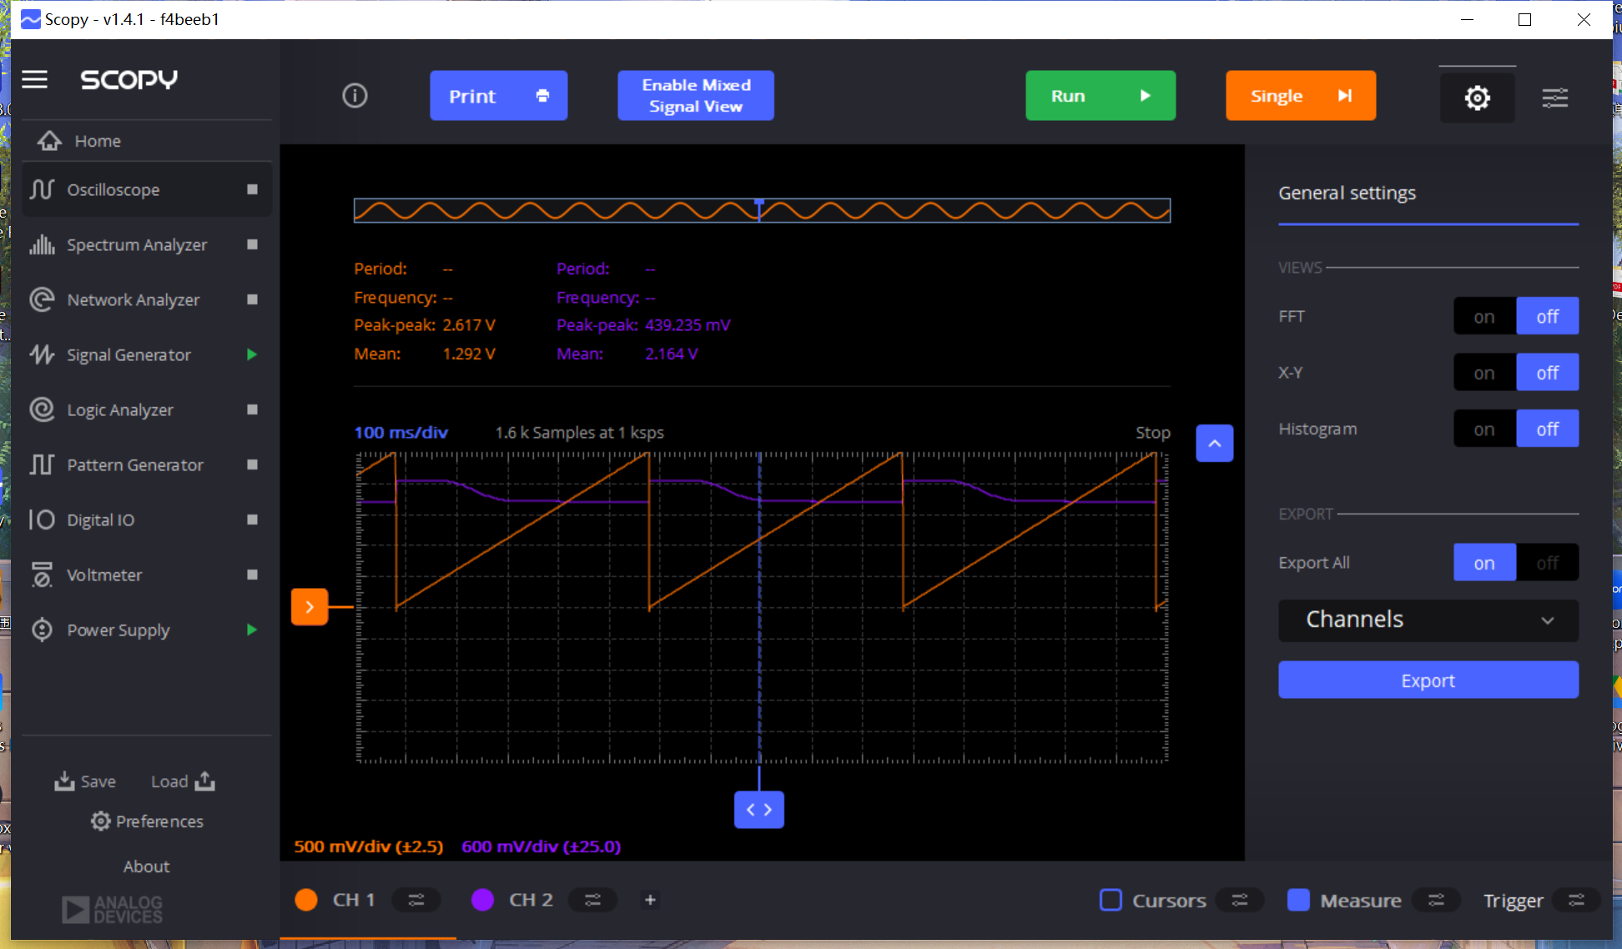
 | 2.45 | 1.40921 |  |  | 0 | 1.75

DM_Sweep
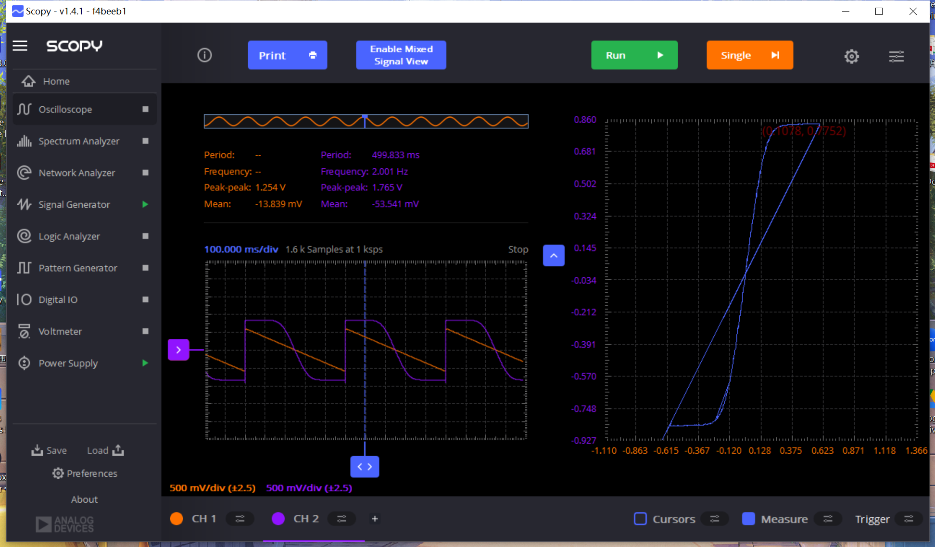
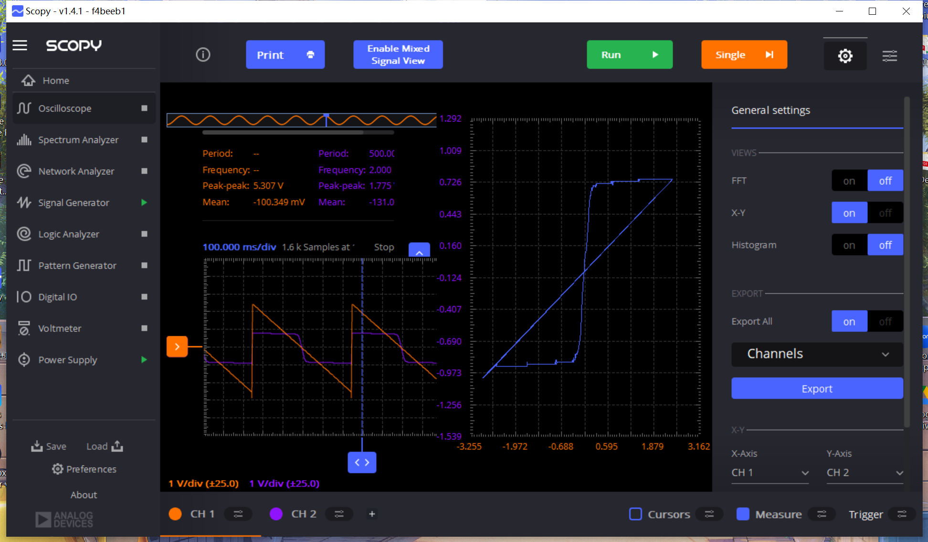
Load Resistor /Ohm | VDIFF @ VCOM=1.25V (V) | VOUT DIFF @ VCOM=1.25V (V) | VDIFF @ VCOM=1.5V (V) | VOUT DIFF @ VCOM=1.5V (V) | VDIFF @ VCOM=2.2V (V) | VOUT DIFF @ VCOM=2.2V (V)
4700 | 2.46917 | 0.836387 | 1.04331 | 0.86247 | 0.58947 | 0.836387
IBIAS Measured @ Pin19 /uA | 2.00489 | 0.829432 | 0.985928 | 0.813782 | 0.552955 | 0.836387
200 | 1.50411 | 0.820738 | 0.841604 | 0.810304 | 0.500789 | 0.836387
VGS=VDS @Pin 19 /V | 1.00332 | 0.808566 | 0.770311 | 0.810304 | 0.406891 | 0.834648
0.96 | 0.813782 | 0.805088 | 0.603381 | 0.808566 | 0.300821 | 0.827693
 | 0.702496 | 0.803349 | 0.452101 | 0.805088 | 0.199968 | 0.766833
 | 0.601642 | 0.799871 | 0.401675 | 0.799871 | 0.154758 | 0.667719
 | 0.502528 | 0.796394 | 0.300821 | 0.794655 | 0.102592 | 0.485139
 | 0.401675 | 0.794655 | 0.253872 | 0.784222 | 0.0521655 | 0.243439
 | 0.309515 | 0.787699 | 0.206923 | 0.747706 | 0.0069554 | 0.0069554
 | 0.210401 | 0.737273 | 0.15128 | 0.65033 | 0 | -0.0312993
 | 0.109548 | 0.49905 | 0.10607 | 0.502528 | -0.0504267 | -0.299082
 | 0.0069554 | 0.046949 | 0.0486878 | 0.252133 | -0.104331 | -0.528611
 | -0.0034777 | -0.0104331 | 0.0226051 | 0.12172 | -0.149541 | -0.686846
 | -0.104331 | -0.471229 | 0.0034777 | 0.0069554 | -0.208662 | -0.791177
 | -0.201707 | -0.728578 | 0.00173885 | -0.0034777 | -0.252133 | -0.824215
 | -0.30256 | -0.789438 | -0.0539044 | -0.279955 | -0.30256 | -0.839865
 | -0.405152 | -0.796394 | -0.104331 | -0.49905 | -0.405152 | -0.843343
 | -0.506006 | -0.799871 | -0.149541 | -0.655547 | -0.500789 | -0.845081
 | -0.60512 | -0.805088 | -0.203446 | -0.759878 | -0.554693 | -0.84682
 | -0.803349 | -0.810304 | -0.309515 | -0.806827 | -0.592948 | -0.84682
 | -1.00853 | -0.813782 | -0.401675 | -0.812043
 | -1.50758 | -0.824215 | -0.500789 | -0.813782
 | -2.00316 | -0.834648 | -0.603381 | -0.81726
 | -2.48134 | -0.843343 | -0.700757 | -0.818999
 |  |  | -0.902464 | -0.820738
 |  |  | -0.991145 | -0.825954



Differential VOUT-VIN

Differential VOUT-VIN @ VCOM=1.25V (V)

R+Current
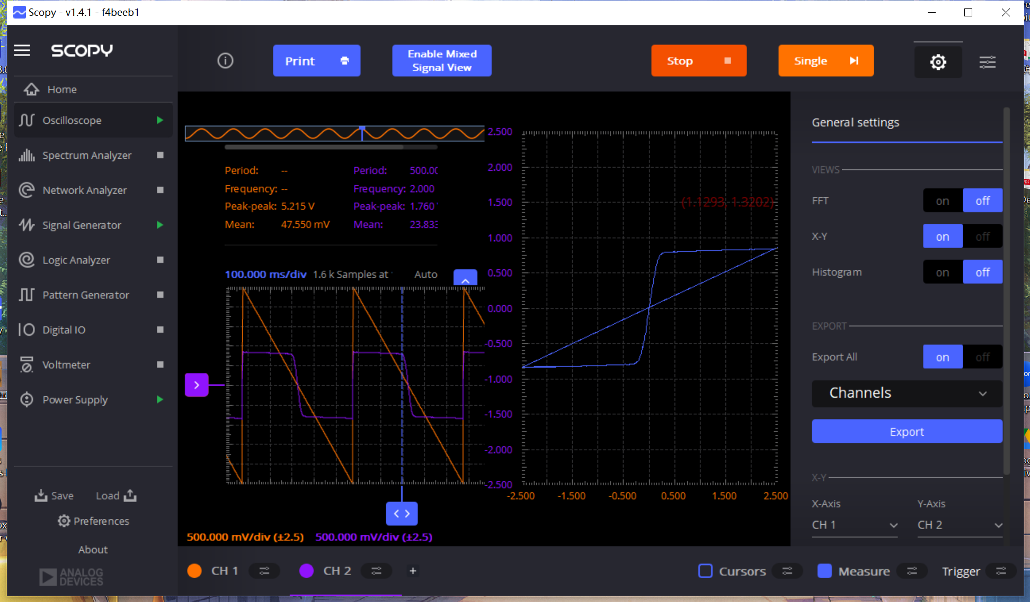
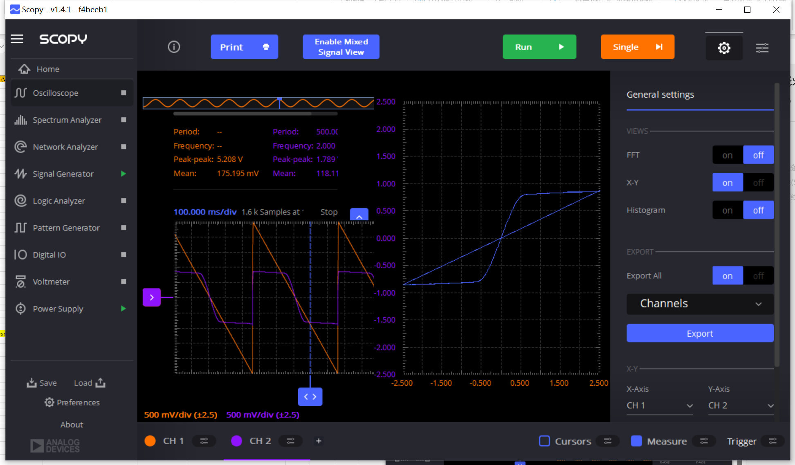
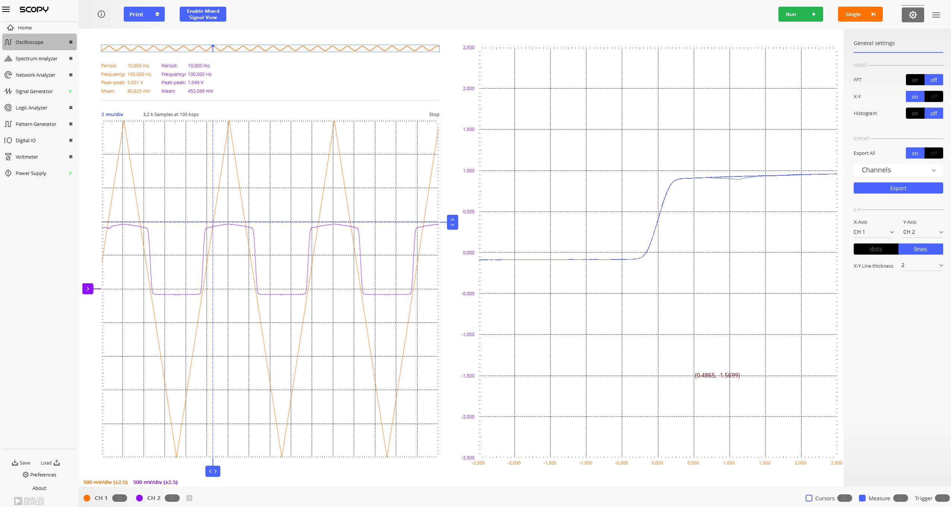
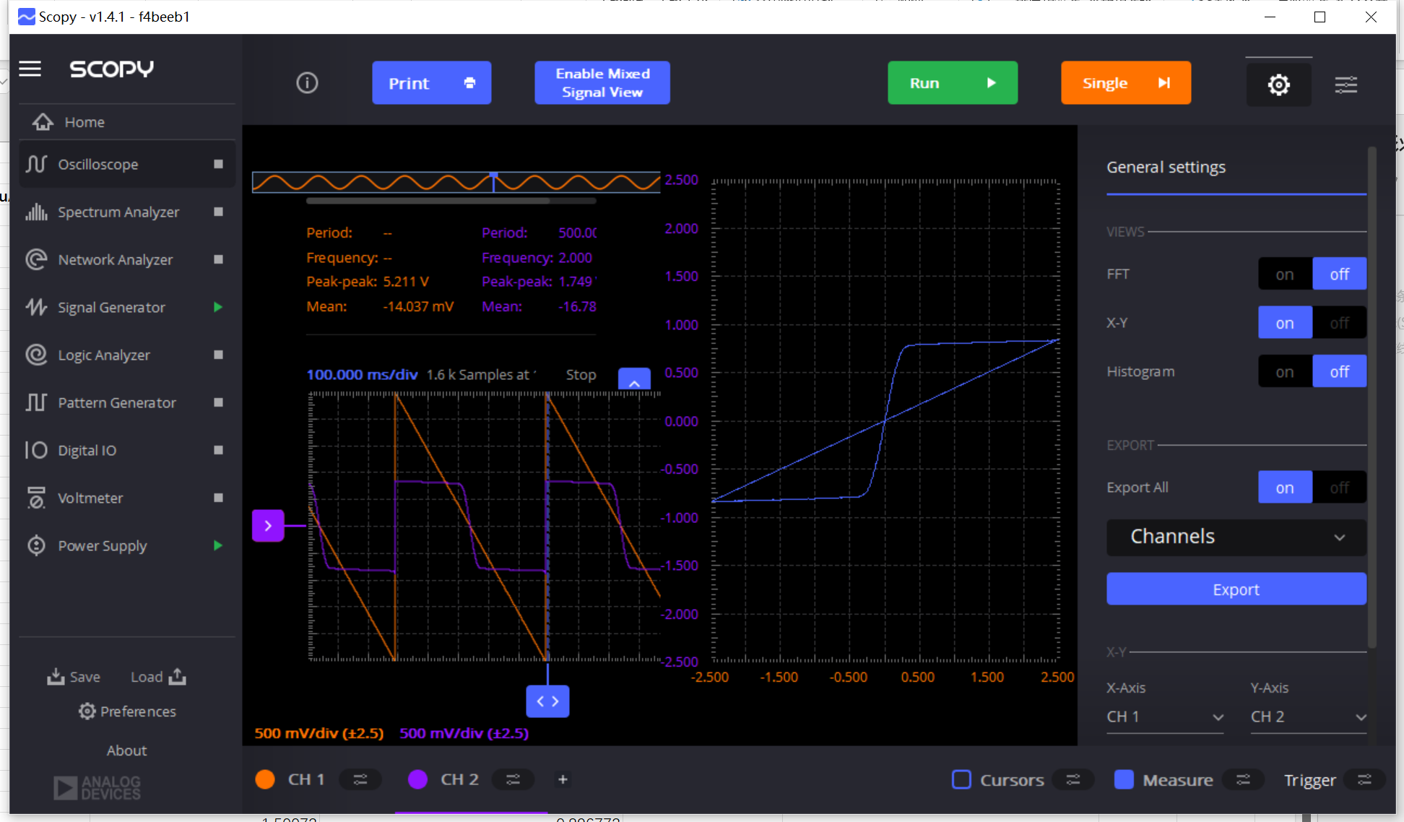
Load Resistor /Ohm | VDIFF Input (V) | VOUT DIFF @ ISS=200uA R=4.7k (V) | VDIFF Input (V) | VOUT DIFF @ ISS=400uA R=2.35k (V) | VDIFF Input (V) | VOUT DIFF @ ISS=800uA R=1.2k (V) | VDIFF Input (V) | VOUT DIFF @ ISS=1.6mA R=600 (V) | IOUT DIFF@ @ ISS=200uA R=4.7k (uA) | IOUT DIFF @ ISS=400uA R=2.35k (uA) | IOUT DIFF @ ISS=800uA R=1.2k (uA) | IOUT DIFF @ ISS=1.6mA R=600 (uA)
4700 | 2.46917 | 0.836387 | 2.52307 | 0.848559 | 2.45352 | 0.841604 | 2.46569 | 0.848559 | 174.24729167 | 353.56625 | 765.09454545 | 1542.8345455
IBIAS Measured @ Pin19 /uA | 2.00489 | 0.829432 | 2.26572 | 0.831171 | 2.00663 | 0.836387 | 2.00663 | 0.841604 | 172.79833333 | 346.32125 | 760.35181818 | 1530.1890909
200 | 1.50411 | 0.820738 | 2.00663 | 0.824215 | 1.50411 | 0.824215 | 1.50411 | 0.831171 | 170.98708333 | 343.42291667 | 749.28636364 | 1511.22
VGS=VDS @Pin 19 /V | 1.00332 | 0.808566 | 1.8084 | 0.818999 | 1.00679 | 0.812043 | 1.00679 | 0.813782 | 168.45125 | 341.24958333 | 738.22090909 | 1479.6036364
0.96 | 0.813782 | 0.805088 | 1.40673 | 0.812043 | 0.702496 | 0.803349 | 0.80161 | 0.806827 | 167.72666667 | 338.35125 | 730.31727273 | 1466.9581818
 | 0.702496 | 0.803349 | 1.2085 | 0.808566 | 0.506006 | 0.792916 | 0.702496 | 0.799871 | 167.364375 | 336.9025 | 720.83272727 | 1454.3109091
 | 0.601642 | 0.799871 | 1.00679 | 0.805088 | 0.401675 | 0.773789 | 0.606859 | 0.792916 | 166.63979167 | 335.45333333 | 703.44454545 | 1441.6654545
 | 0.502528 | 0.796394 | 0.803349 | 0.798132 | 0.30256 | 0.69554 | 0.506006 | 0.761617 | 165.91541667 | 332.555 | 632.30909091 | 1384.7581818
 | 0.401675 | 0.794655 | 0.60512 | 0.792916 | 0.205184 | 0.525133 | 0.401675 | 0.672935 | 165.553125 | 330.38166667 | 477.39363636 | 1223.5181818
 | 0.309515 | 0.787699 | 0.403413 | 0.784222 | 0.10607 | 0.288649 | 0.30256 | 0.539044 | 164.10395833 | 326.75916667 | 262.40818182 | 980.08
 | 0.210401 | 0.737273 | 0.30256 | 0.765094 | 0.0034777 | 0.00869425 | 0.205184 | 0.377331 | 153.59854167 | 318.78916667 | 7.9038636364 | 686.05636364
 | 0.109548 | 0.49905 | 0.205184 | 0.65033 | -0.0069554 | -0.0191274 | 0.10607 | 0.198229 | 103.96875 | 270.97083333 | -17.388545455 | 360.41636364
 | 0.0069554 | 0.046949 | 0.10607 | 0.382547 | -0.107809 | -0.295605 | 0.0034777 | 0.0034777 | 9.7810416667 | 159.39458333 | -268.73181818 | 6.3230909091
 | -0.0034777 | -0.0104331 | 0.0556432 | 0.203446 | -0.208662 | -0.537305 | -0.0069554 | -0.0139108 | -2.1735625 | 84.769166667 | -488.45909091 | -25.292363636
 | -0.104331 | -0.471229 | 0.0034777 | 0.0156497 | -0.304299 | -0.709451 | -0.107809 | -0.205184 | -98.172708333 | 6.5207083333 | -644.95545455 | -373.06181818
 | -0.201707 | -0.728578 | -0.0069554 | -0.0208662 | -0.40863 | -0.787699 | -0.208662 | -0.387764 | -151.78708333 | -8.69425 | -716.09 | -705.02545455
 | -0.30256 | -0.789438 | -0.0573821 | -0.210401 | -0.506006 | -0.80161 | -0.304299 | -0.551216 | -164.46625 | -87.667083333 | -728.73636364 | -1002.2109091
 | -0.405152 | -0.796394 | -0.107809 | -0.384286 | -0.608598 | -0.808566 | -0.40863 | -0.685107 | -165.91541667 | -160.11916667 | -735.06 | -1245.6490909
 | -0.506006 | -0.799871 | -0.208662 | -0.657286 | -0.80161 | -0.813782 | -0.507744 | -0.766833 | -166.63979167 | -273.86916667 | -739.80181818 | -1394.2418182
 | -0.60512 | -0.805088 | -0.304299 | -0.768572 | -1.01027 | -0.822476 | -0.608598 | -0.799871 | -167.72666667 | -320.23833333 | -747.70545455 | -1454.3109091
 | -0.803349 | -0.810304 | -0.40863 | -0.789438 | -1.50063 | -0.834648 | -0.709451 | -0.810304 | -168.81333333 | -328.9325 | -758.77090909 | -1473.28
 | -1.00853 | -0.813782 | -0.507744 | -0.794655 | -2.00489 | -0.845081 | -1.01027 | -0.820738 | -169.53791667 | -331.10625 | -768.25545455 | -1492.2509091
 | -1.50758 | -0.824215 | -0.709451 | -0.798132 | -2.46395 | -0.852037 | -1.50063 | -0.838126 | -171.71145833 | -332.555 | -774.57909091 | -1523.8654545
 | -2.00316 | -0.834648 | -0.9981 | -0.806827 |  |  | -2.00489 | -0.850298 | -173.885 | -336.17791667 |  | -1545.9963636
 | -2.48134 | -0.843343 | -1.50932 | -0.820738 |  |  | -2.45178 | -0.858992 | -175.69645833 | -341.97416667 |  | -1561.8036364
 |  |  | -2.00316 | -0.831171 |  |  |  |  |  | -346.32125
 |  |  | -2.47786 | -0.83291 |  |  |  |  |  | -347.04583333
Differential IOUT-VIN

Differential VOUT-VIN
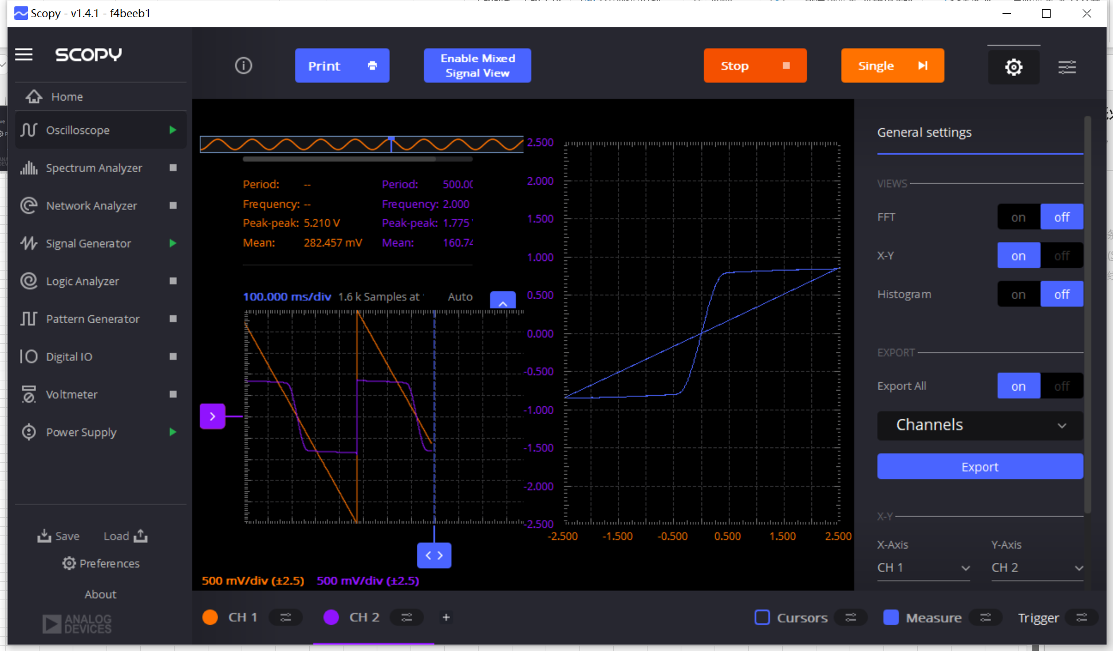

 | These data are from previous measurement

 |  |  |  | Figure Sequence
 |  |  |  |  | 2
 |  |  |  |  | 3
 |  |  |  | 1 | 4

R+Current (PK)
Load Resistor /Ohm | VDIFF Input (V) | VOUT DIFF @ ISS=200uA R=4.7k (V) | Gain | VDIFF Input (V) | VOUT DIFF @ ISS=400uA R=2.35k (V) | Gain | VDIFF Input (V) | VOUT DIFF @ ISS=800uA R=1.2k (V) | Gain | VDIFF Input (V) | VOUT DIFF @ ISS=1.6mA R=600 (V) | Gain | IOUT DIFF@ @ ISS=200uA R=4.7k (uA) | IOUT DIFF @ ISS=400uA R=2.35k (uA) | IOUT DIFF @ ISS=800uA R=1.2k (uA) | IOUT DIFF @ ISS=1.6mA R=600 (uA)
4700 | 2.46917 | 0.836387 |  | 2.52307 | 0.848559 |  | 2.45352 | 0.841604 |  | 2.46569 | 0.848559 |  | 174.24729167 | 353.56625 | 765.09454545 | 1542.8345455
IBIAS Measured @ Pin19 /uA | 2.00489 | 0.829432 |  | 2.26572 | 0.831171 |  | 2.00663 | 0.836387 |  | 2.00663 | 0.841604 |  | 172.79833333 | 346.32125 | 760.35181818 | 1530.1890909
200 | 1.50411 | 0.820738 |  | 2.00663 | 0.824215 |  | 1.50411 | 0.824215 |  | 1.50411 | 0.831171 |  | 170.98708333 | 343.42291667 | 749.28636364 | 1511.22
VGS=VDS @Pin 19 /V | 1.00332 | 0.808566 |  | 1.8084 | 0.818999 |  | 1.00679 | 0.812043 |  | 1.00679 | 0.813782 |  | 168.45125 | 341.24958333 | 738.22090909 | 1479.6036364
0.96 | 0.813782 | 0.805088 |  | 1.40673 | 0.812043 |  | 0.702496 | 0.803349 |  | 0.80161 | 0.806827 |  | 167.72666667 | 338.35125 | 730.31727273 | 1466.9581818
 | 0.702496 | 0.803349 |  | 1.2085 | 0.808566 |  | 0.506006 | 0.792916 |  | 0.702496 | 0.799871 |  | 167.364375 | 336.9025 | 720.83272727 | 1454.3109091
 | 0.601642 | 0.799871 |  | 1.00679 | 0.805088 |  | 0.401675 | 0.773789 |  | 0.606859 | 0.792916 |  | 166.63979167 | 335.45333333 | 703.44454545 | 1441.6654545
 | 0.502528 | 0.796394 |  | 0.803349 | 0.798132 |  | 0.30256 | 0.69554 | 2.3151852407 | 0.506006 | 0.761617 |  | 165.91541667 | 332.555 | 632.30909091 | 1384.7581818
 | 0.401675 | 0.794655 |  | 0.60512 | 0.792916 |  | 0.205184 | 0.525133 | 2.5672303224 | 0.401675 | 0.672935 |  | 165.553125 | 330.38166667 | 477.39363636 | 1223.5181818
 | 0.309515 | 0.787699 |  | 0.403413 | 0.784222 |  | 0.10607 | 0.288649 | 2.7317034398 | 0.30256 | 0.539044 | 1.7965622987 | 164.10395833 | 326.75916667 | 262.40818182 | 980.08
 | 0.210401 | 0.737273 | 3.5569583701 | 0.30256 | 0.765094 |  | 0.0034777 | 0.00869425 | 2.6666714591 | 0.205184 | 0.377331 | 1.8487432523 | 153.59854167 | 318.78916667 | 7.9038636364 | 686.05636364
 | 0.109548 | 0.49905 | 4.5365790938 | 0.205184 | 0.65033 | 3.1596680891 | -0.0069554 | -0.0191274 |  | 0.10607 | 0.198229 | 1.8861739582 | 103.96875 | 270.97083333 | -17.388545455 | 360.41636364
 | 0.0069554 | 0.046949 | 5.5000047924 | 0.10607 | 0.382547 | 3.5853590114 | -0.107809 | -0.295605 |  | 0.0034777 | 0.0034777 | 1.6666666667 | 9.7810416667 | 159.39458333 | -268.73181818 | 6.3230909091
 | -0.0034777 | -0.0104331 |  | 0.0556432 | 0.203446 | 3.6615430351 | -0.208662 | -0.537305 |  | -0.0069554 | -0.0139108 |  | -2.1735625 | 84.769166667 | -488.45909091 | -25.292363636
 | -0.104331 | -0.471229 |  | 0.0034777 | 0.0156497 | 3.5000047924 | -0.304299 | -0.709451 |  | -0.107809 | -0.205184 |  | -98.172708333 | 6.5207083333 | -644.95545455 | -373.06181818
 | -0.201707 | -0.728578 |  | -0.0069554 | -0.0208662 |  | -0.40863 | -0.787699 |  | -0.208662 | -0.387764 |  | -151.78708333 | -8.69425 | -716.09 | -705.02545455
 | -0.30256 | -0.789438 |  | -0.0573821 | -0.210401 |  | -0.506006 | -0.80161 |  | -0.304299 | -0.551216 |  | -164.46625 | -87.667083333 | -728.73636364 | -1002.2109091
 | -0.405152 | -0.796394 |  | -0.107809 | -0.384286 |  | -0.608598 | -0.808566 |  | -0.40863 | -0.685107 |  | -165.91541667 | -160.11916667 | -735.06 | -1245.6490909
 | -0.506006 | -0.799871 |  | -0.208662 | -0.657286 |  | -0.80161 | -0.813782 |  | -0.507744 | -0.766833 |  | -166.63979167 | -273.86916667 | -739.80181818 | -1394.2418182
 | -0.60512 | -0.805088 |  | -0.304299 | -0.768572 |  | -1.01027 | -0.822476 |  | -0.608598 | -0.799871 |  | -167.72666667 | -320.23833333 | -747.70545455 | -1454.3109091
 | -0.803349 | -0.810304 |  | -0.40863 | -0.789438 |  | -1.50063 | -0.834648 |  | -0.709451 | -0.810304 |  | -168.81333333 | -328.9325 | -758.77090909 | -1473.28
 | -1.00853 | -0.813782 |  | -0.507744 | -0.794655 |  | -2.00489 | -0.845081 |  | -1.01027 | -0.820738 |  | -169.53791667 | -331.10625 | -768.25545455 | -1492.2509091
 | -1.50758 | -0.824215 |  | -0.709451 | -0.798132 |  | -2.46395 | -0.852037 |  | -1.50063 | -0.838126 |  | -171.71145833 | -332.555 | -774.57909091 | -1523.8654545
 | -2.00316 | -0.834648 |  | -0.9981 | -0.806827 |  |  |  |  | -2.00489 | -0.850298 |  | -173.885 | -336.17791667 |  | -1545.9963636
 | -2.48134 | -0.843343 |  | -1.50932 | -0.820738 |  |  |  |  | -2.45178 | -0.858992 |  | -175.69645833 | -341.97416667 |  | -1561.8036364
 |  |  |  | -2.00316 | -0.831171 |  |  |  |  |  |  |  |  | -346.32125
 |  |  |  | -2.47786 | -0.83291 |  |  |  |  |  |  |  |  | -347.04583333
Differential IOUT-VIN

 | Current | RL | ADD |  | GM (from ADD) | GM sqrt fit | Vov from gm/I | gm/I | sqrt(2)*Vov
 | uA | Ohm | V/V |  | mS | mS | mV
 | 200 | 4700 | 4.5 | 5.0911688245 | 0.95744680851 | 1.0832274095 | 208.88888889 | 9.5744680851 | 295.4134997
 | 400 | 2350 | 3.6 | 3.6 | 1.5319148936 | 1.5319148936 | 261.11111111 | 7.6595744681 | 369.26687462
 | 800 | 1200 | 2.65 | 2.5455844123 | 2.2083333333 | 2.166454819 | 362.26415094 | 5.5208333333 | 512.31887543
 | 1600 | 600 | 1.85 | 1.8 | 3.0833333333 | 3.0638297872 | 518.91891892 | 3.8541666667 | 733.86217291

ADD & Differential-Pair Gm
 |  |  |  |  | Figure Sequence
 |  |  |  |  |  |  | 2
 |  |  |  |  |  |  | 3
 |  |  |  |  | 1 |  | 4

Differential VOUT-VIN

